Diagram
 | Displacement at mid-span [mm]
0.00E+00 | 0.00E+00
1.00E-02 | -4.95E-02
2.00E-02 | -9.90E-02
3.00E-02 | -1.49E-01
4.00E-02 | -1.98E-01
5.00E-02 | -2.48E-01
6.00E-02 | -2.97E-01
7.00E-02 | -3.47E-01
8.00E-02 | -3.96E-01
9.00E-02 | -4.46E-01
1.00E-01 | -4.95E-01
1.10E-01 | -5.45E-01
1.20E-01 | -5.94E-01
1.30E-01 | -6.44E-01
1.40E-01 | -6.93E-01
1.50E-01 | -7.43E-01
1.60E-01 | -7.92E-01
1.70E-01 | -8.42E-01
1.80E-01 | -8.91E-01
1.90E-01 | -9.41E-01
2.00E-01 | -9.90E-01
2.10E-01 | -1.04E+00
2.20E-01 | -1.09E+00
2.30E-01 | -1.14E+00
2.40E-01 | -1.19E+00
2.50E-01 | -1.24E+00
2.60E-01 | -1.29E+00
2.70E-01 | -1.34E+00
2.80E-01 | -1.39E+00
2.90E-01 | -1.44E+00
3.00E-01 | -1.49E+00
3.10E-01 | -1.54E+00
3.20E-01 | -1.58E+00
3.30E-01 | -1.63E+00
3.40E-01 | -1.68E+00
3.50E-01 | -1.73E+00
3.60E-01 | -1.78E+00
3.70E-01 | -1.83E+00
3.80E-01 | -1.88E+00
3.90E-01 | -1.93E+00
4.00E-01 | -1.98E+00
4.10E-01 | -2.03E+00
4.20E-01 | -2.08E+00
4.30E-01 | -2.13E+00
4.40E-01 | -2.18E+00
4.50E-01 | -2.23E+00
4.60E-01 | -2.28E+00
4.70E-01 | -2.33E+00
4.80E-01 | -2.38E+00
4.90E-01 | -2.43E+00
...

Deflected shape
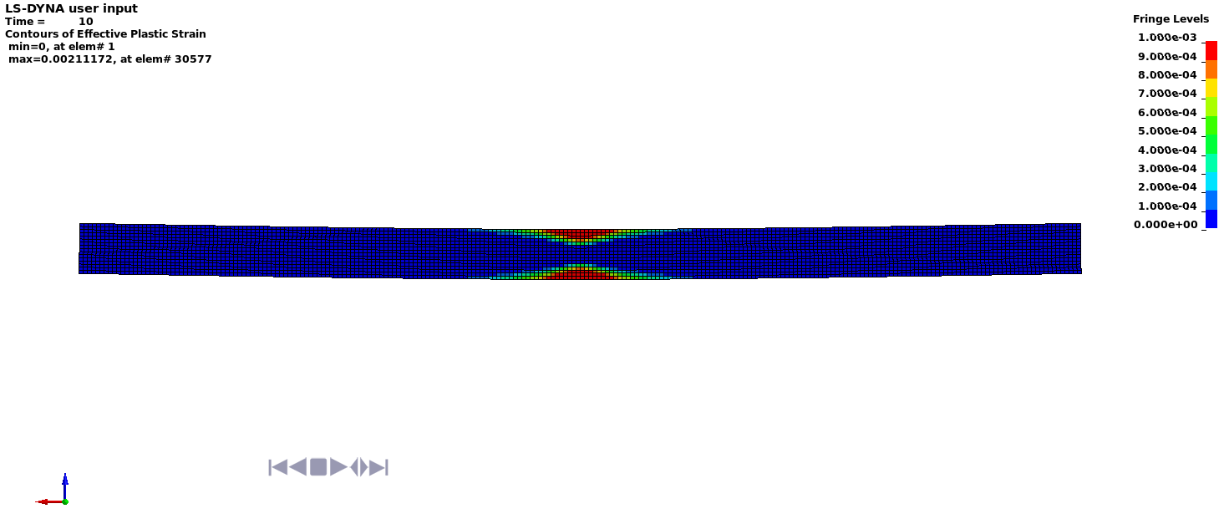

Deflected shape with visible contours of plasticity

